Degree-days
Annual Heat Demand (kWh/a) | 7527

Mean Heating Days 1991 to 2020 Source: DUKES
Month | Jan | Feb | Mar | Apr | May | Jun | Jul | Aug | Sep | Oct | Nov | Dec | Total
Mean Degree-Days (k.days) | 10.6 | 10.3 | 8.7 | 6.6 | 3.9 | 1.7 | 0.6 | 0.7 | 1.9 | 4.6 | 7.9 | 10.3
Days per month | 31 | 28 | 31 | 30 | 31 | 30 | 31 | 31 | 30 | 31 | 30 | 31 | 365
Degree-days per month | 328.3 | 289.3 | 271.1 | 198.3 | 120.1 | 51.3 | 18.9 | 20.9 | 57.9 | 143.9 | 238.0 | 320.3 | 2058.3
% annual degree-days | 16% | 14% | 13% | 10% | 6% | 2% | 1% | 1% | 3% | 7% | 12% | 16% | 100%
Monthly heat demand (kWh/month) | 1201 | 1058 | 991 | 725 | 439 | 187 | 69 | 76 | 212 | 526 | 870 | 1171 | 7527
kWh/h when heating called | 3.5 | 3.4 | 3.0 | 2.1 | 1.3 | 0.6 | 0.2 | 0.2 | 0.6 | 1.5 | 2.7 | 3.4
 | 1.6138248337
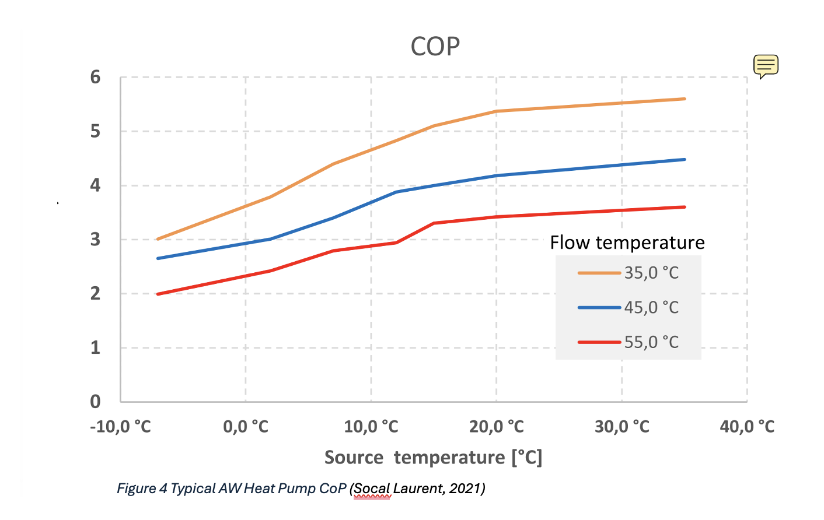
Period | Winter (Dec to Feb) | Spring/Autumn (Mar to May, Sep to Nov) | Summer (Jun to Aug) | Check Sum |  | Source
Mean Degree-Days (k.days) | 10.4 | 5.6 | 1.0
% Annual Degree-days | 46% | 50% | 4% | 100%
Number of Days | 90 | 183 | 92 | 365
kWh for period | 3430 | 3764 | 333 | 7527 | TRUE
kWh/h when heating called | 3.4 | 1.9 | 0.3

Average Air Temperature (°C) | 8.7 | 15.4 | 23.0 |  |  | Met Office (1990 - 2020)
HP CoP @ Supply Temp Applies to ASHP and WSHP
55°C | 2.9 | 3.3 | 3.4
45°C | 3.5 | 4.0 | 4.2
35°C | 4.5 | 5.1 | 5.4

Revised CoPs | ASHP and WSHP, Outlet 35ºC
Average Air Temperature (°C) | 7 | 15.4 | 23.0 | Slope | 0.092
Individual ASHP CoP | 4.6 | 5.4 | 6.1
Commercial ASHP Qh,Qc | 4.6 | 5.4 | 6.1
Individual WSHP at W20W35 | 9.5 | 9.5 | 9.5 | Daikin datasheet
Individual WSHP at W10W35 | 7.1 | 7.1 | 7.1 | Interpolation
Individual WSHP at W0W35 | 4.74 |  |  | Daikin datasheet
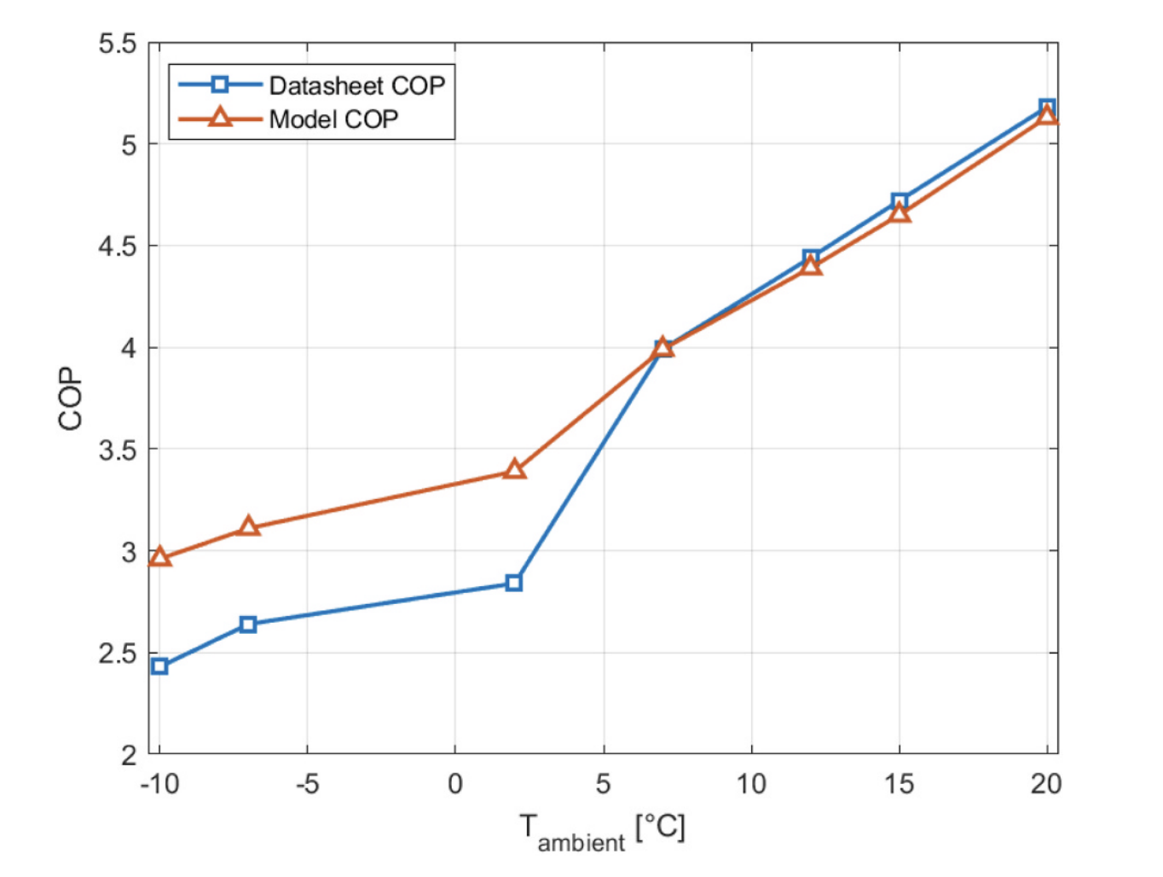

Degree Days: the sum of the number of degrees the daily average temperature is below 15.5°C each day (Source: UK Met Office)

 |  |  |  |  |  |  | Performance evaluation of air-source heat pump based on a
 |  |  |  |  |  |  | pressure drop embedded model
 |  |  |  |  |  |  | Tim Koopman , Tingting Zhu *, Wilko Rohlfs
 |  |  |  |  |  |  | 2024

Daily Heat Demand Matrix (2)
 | Weekend |  |  |  | Weekday |  |  |  | Weighted
 |  | Winter (Dec to Feb) | Spring/Autumn (Mar to May, Sep to Nov) | Summer (Jun to Aug) |  | Winter (Dec to Feb) | Spring/Autumn (Mar to May, Sep to Nov) | Summer (Jun to Aug) | Winter (Dec to Feb) | Spring/Autumn (Mar to May, Sep to Nov) | Summer (Jun to Aug)
Hour | Boiler Running | 3.4 | 1.9 | 0.3 |  | 3.4 | 1.9 | 0.3

1 | 0 | 0.0 | 0.0 | 0.0 | 0 | 0.0 | 0.0 | 0.0
2 | 0 | 0.0 | 0.0 | 0.0 | 0 | 0.0 | 0.0 | 0.0
3 | 0 | 0.0 | 0.0 | 0.0 | 0 | 0.0 | 0.0 | 0.0
4 | 0 | 0.0 | 0.0 | 0.0 | 0 | 0.0 | 0.0 | 0.0
5 | 0 | 0.0 | 0.0 | 0.0 | 0 | 0.0 | 0.0 | 0.0
6 | 0 | 0.0 | 0.0 | 0.0 | 0 | 0.0 | 0.0 | 0.0
7 | 1 | 3.4 | 1.9 | 0.3 | 1 | 3.4 | 1.9 | 0.3
8 | 1 | 3.4 | 1.9 | 0.3 | 1 | 3.4 | 1.9 | 0.3
9 | 1 | 3.4 | 1.9 | 0.3 | 0 | 0.0 | 0.0 | 0.0
10 | 1 | 3.4 | 1.9 | 0.3 | 0 | 0.0 | 0.0 | 0.0
11 | 1 | 3.4 | 1.9 | 0.3 | 0 | 0.0 | 0.0 | 0.0
12 | 1 | 3.4 | 1.9 | 0.3 | 0 | 0.0 | 0.0 | 0.0
13 | 1 | 3.4 | 1.9 | 0.3 | 0 | 0.0 | 0.0 | 0.0
14 | 1 | 3.4 | 1.9 | 0.3 | 0 | 0.0 | 0.0 | 0.0
15 | 1 | 3.4 | 1.9 | 0.3 | 0 | 0.0 | 0.0 | 0.0
16 | 1 | 3.4 | 1.9 | 0.3 | 1 | 3.4 | 1.9 | 0.3
17 | 1 | 3.4 | 1.9 | 0.3 | 1 | 3.4 | 1.9 | 0.3
18 | 1 | 3.4 | 1.9 | 0.3 | 1 | 3.4 | 1.9 | 0.3
19 | 1 | 3.4 | 1.9 | 0.3 | 1 | 3.4 | 1.9 | 0.3
20 | 1 | 3.4 | 1.9 | 0.3 | 1 | 3.4 | 1.9 | 0.3
21 | 1 | 3.4 | 1.9 | 0.3 | 1 | 3.4 | 1.9 | 0.3
22 | 1 | 3.4 | 1.9 | 0.3 | 1 | 3.4 | 1.9 | 0.3
23 | 0 | 0.0 | 0.0 | 0.0 | 0 | 0.0 | 0.0 | 0.0
24 | 0 | 0.0 | 0.0 | 0.0 | 0 | 0.0 | 0.0 | 0.0

HomeHeatDemand
Heat Demand (kWh)
 |  |  |  | Individual Home Heat Demand (kWh) |  |  | Total Heat Demand (kWh)
Count | Day | Time | WE/WD | Winter | Spring/Autumn | Summer | Winter | Spring/Autumn | Summer
 |  |  | Total | 264.4 | 144.1 | 25.4 | 634,468 | 345,896 | 60,949
 |  |  |  | (kW) |  |  | (kW)
 |  |  | Max | 3.4 | 1.9 | 0.3 | 8239.8 | 4492.2 | 791.5
 |  |  | Min | 0.0 | 0.0 | 0.0 | 0.0 | 0.0 | 0.0
 |  |  | Average | 1.6 | 0.9 | 0.2 | 3776.6 | 2058.9 | 362.8
 |  |  | Data Centre Total Heat Released = Total Home Demand
 |  |  | No of Homes | 2,400 | - | 2,400
1 | Wednesday | 0:00:00 | weekday | 0.0 | 0.0 | 0.0 | 0.0 | 0.0 | 0.0
2 | Wednesday | 1:00:00 | weekday | 0.0 | 0.0 | 0.0 | 0.0 | 0.0 | 0.0
3 | Wednesday | 2:00:00 | weekday | 0.0 | 0.0 | 0.0 | 0.0 | 0.0 | 0.0
4 | Wednesday | 3:00:00 | weekday | 0.0 | 0.0 | 0.0 | 0.0 | 0.0 | 0.0
5 | Wednesday | 4:00:00 | weekday | 0.0 | 0.0 | 0.0 | 0.0 | 0.0 | 0.0
6 | Wednesday | 5:00:00 | weekday | 0.0 | 0.0 | 0.0 | 0.0 | 0.0 | 0.0
7 | Wednesday | 6:00:00 | weekday | 3.4 | 1.9 | 0.3 | 8239.8 | 4492.2 | 791.5
8 | Wednesday | 7:00:00 | weekday | 3.4 | 1.9 | 0.3 | 8239.8 | 4492.2 | 791.5
9 | Wednesday | 8:00:00 | weekday | 0.0 | 0.0 | 0.0 | 0.0 | 0.0 | 0.0
10 | Wednesday | 9:00:00 | weekday | 0.0 | 0.0 | 0.0 | 0.0 | 0.0 | 0.0
11 | Wednesday | 10:00:00 | weekday | 0.0 | 0.0 | 0.0 | 0.0 | 0.0 | 0.0
12 | Wednesday | 11:00:00 | weekday | 0.0 | 0.0 | 0.0 | 0.0 | 0.0 | 0.0
13 | Wednesday | 12:00:00 | weekday | 0.0 | 0.0 | 0.0 | 0.0 | 0.0 | 0.0
14 | Wednesday | 13:00:00 | weekday | 0.0 | 0.0 | 0.0 | 0.0 | 0.0 | 0.0
15 | Wednesday | 14:00:00 | weekday | 0.0 | 0.0 | 0.0 | 0.0 | 0.0 | 0.0
16 | Wednesday | 15:00:00 | weekday | 3.4 | 1.9 | 0.3 | 8239.8 | 4492.2 | 791.5
17 | Wednesday | 16:00:00 | weekday | 3.4 | 1.9 | 0.3 | 8239.8 | 4492.2 | 791.5
18 | Wednesday | 17:00:00 | weekday | 3.4 | 1.9 | 0.3 | 8239.8 | 4492.2 | 791.5
19 | Wednesday | 18:00:00 | weekday | 3.4 | 1.9 | 0.3 | 8239.8 | 4492.2 | 791.5
20 | Wednesday | 19:00:00 | weekday | 3.4 | 1.9 | 0.3 | 8239.8 | 4492.2 | 791.5
21 | Wednesday | 20:00:00 | weekday | 3.4 | 1.9 | 0.3 | 8239.8 | 4492.2 | 791.5
22 | Wednesday | 21:00:00 | weekday | 3.4 | 1.9 | 0.3 | 8239.8 | 4492.2 | 791.5
23 | Wednesday | 22:00:00 | weekday | 0.0 | 0.0 | 0.0 | 0.0 | 0.0 | 0.0
24 | Wednesday | 23:00:00 | weekday | 0.0 | 0.0 | 0.0 | 0.0 | 0.0 | 0.0
25 | Thursday | 1900-01-01 00:00:00 | weekday | 0.0 | 0.0 | 0.0 | 0.0 | 0.0 | 0.0
26 | Thursday | 1900-01-01 01:00:00 | weekday | 0.0 | 0.0 | 0.0 | 0.0 | 0.0 | 0.0
27 | Thursday | 1900-01-01 02:00:00 | weekday | 0.0 | 0.0 | 0.0 | 0.0 | 0.0 | 0.0
28 | Thursday | 1900-01-01 03:00:00 | weekday | 0.0 | 0.0 | 0.0 | 0.0 | 0.0 | 0.0
29 | Thursday | 1900-01-01 04:00:00 | weekday | 0.0 | 0.0 | 0.0 | 0.0 | 0.0 | 0.0
30 | Thursday | 1900-01-01 05:00:00 | weekday | 0.0 | 0.0 | 0.0 | 0.0 | 0.0 | 0.0
31 | Thursday | 1900-01-01 06:00:00 | weekday | 3.4 | 1.9 | 0.3 | 8239.8 | 4492.2 | 791.5
32 | Thursday | 1900-01-01 07:00:00 | weekday | 3.4 | 1.9 | 0.3 | 8239.8 | 4492.2 | 791.5
33 | Thursday | 1900-01-01 08:00:00 | weekday | 0.0 | 0.0 | 0.0 | 0.0 | 0.0 | 0.0
34 | Thursday | 1900-01-01 09:00:00 | weekday | 0.0 | 0.0 | 0.0 | 0.0 | 0.0 | 0.0
35 | Thursday | 1900-01-01 10:00:00 | weekday | 0.0 | 0.0 | 0.0 | 0.0 | 0.0 | 0.0
36 | Thursday | 1900-01-01 11:00:00 | weekday | 0.0 | 0.0 | 0.0 | 0.0 | 0.0 | 0.0
37 | Thursday | 1900-01-01 12:00:00 | weekday | 0.0 | 0.0 | 0.0 | 0.0 | 0.0 | 0.0
38 | Thursday | 1900-01-01 13:00:00 | weekday | 0.0 | 0.0 | 0.0 | 0.0 | 0.0 | 0.0
39 | Thursday | 1900-01-01 14:00:00 | weekday | 0.0 | 0.0 | 0.0 | 0.0 | 0.0 | 0.0
40 | Thursday | 1900-01-01 15:00:00 | weekday | 3.4 | 1.9 | 0.3 | 8239.8 | 4492.2 | 791.5
41 | Thursday | 1900-01-01 16:00:00 | weekday | 3.4 | 1.9 | 0.3 | 8239.8 | 4492.2 | 791.5
42 | Thursday | 1900-01-01 17:00:00 | weekday | 3.4 | 1.9 | 0.3 | 8239.8 | 4492.2 | 791.5
43 | Thursday | 1900-01-01 18:00:00 | weekday | 3.4 | 1.9 | 0.3 | 8239.8 | 4492.2 | 791.5
44 | Thursday | 1900-01-01 19:00:00 | weekday | 3.4 | 1.9 | 0.3 | 8239.8 | 4492.2 | 791.5
45 | Thursday | 1900-01-01 20:00:00 | weekday | 3.4 | 1.9 | 0.3 | 8239.8 | 4492.2 | 791.5
46 | Thursday | 1900-01-01 21:00:00 | weekday | 3.4 | 1.9 | 0.3 | 8239.8 | 4492.2 | 791.5
47 | Thursday | 1900-01-01 22:00:00 | weekday | 0.0 | 0.0 | 0.0 | 0.0 | 0.0 | 0.0
48 | Thursday | 1900-01-01 23:00:00 | weekday | 0.0 | 0.0 | 0.0 | 0.0 | 0.0 | 0.0
49 | Friday | 1900-01-02 00:00:00 | weekday | 0.0 | 0.0 | 0.0 | 0.0 | 0.0 | 0.0
50 | Friday | 1900-01-02 01:00:00 | weekday | 0.0 | 0.0 | 0.0 | 0.0 | 0.0 | 0.0
51 | Friday | 1900-01-02 02:00:00 | weekday | 0.0 | 0.0 | 0.0 | 0.0 | 0.0 | 0.0
52 | Friday | 1900-01-02 03:00:00 | weekday | 0.0 | 0.0 | 0.0 | 0.0 | 0.0 | 0.0
53 | Friday | 1900-01-02 04:00:00 | weekday | 0.0 | 0.0 | 0.0 | 0.0 | 0.0 | 0.0
54 | Friday | 1900-01-02 05:00:00 | weekday | 0.0 | 0.0 | 0.0 | 0.0 | 0.0 | 0.0
55 | Friday | 1900-01-02 06:00:00 | weekday | 3.4 | 1.9 | 0.3 | 8239.8 | 4492.2 | 791.5
56 | Friday | 1900-01-02 07:00:00 | weekday | 3.4 | 1.9 | 0.3 | 8239.8 | 4492.2 | 791.5
57 | Friday | 1900-01-02 08:00:00 | weekday | 0.0 | 0.0 | 0.0 | 0.0 | 0.0 | 0.0
58 | Friday | 1900-01-02 09:00:00 | weekday | 0.0 | 0.0 | 0.0 | 0.0 | 0.0 | 0.0
59 | Friday | 1900-01-02 10:00:00 | weekday | 0.0 | 0.0 | 0.0 | 0.0 | 0.0 | 0.0
60 | Friday | 1900-01-02 11:00:00 | weekday | 0.0 | 0.0 | 0.0 | 0.0 | 0.0 | 0.0
61 | Friday | 1900-01-02 12:00:00 | weekday | 0.0 | 0.0 | 0.0 | 0.0 | 0.0 | 0.0
62 | Friday | 1900-01-02 13:00:00 | weekday | 0.0 | 0.0 | 0.0 | 0.0 | 0.0 | 0.0
63 | Friday | 1900-01-02 14:00:00 | weekday | 0.0 | 0.0 | 0.0 | 0.0 | 0.0 | 0.0
64 | Friday | 1900-01-02 15:00:00 | weekday | 3.4 | 1.9 | 0.3 | 8239.8 | 4492.2 | 791.5
65 | Friday | 1900-01-02 16:00:00 | weekday | 3.4 | 1.9 | 0.3 | 8239.8 | 4492.2 | 791.5
66 | Friday | 1900-01-02 17:00:00 | weekday | 3.4 | 1.9 | 0.3 | 8239.8 | 4492.2 | 791.5
67 | Friday | 1900-01-02 18:00:00 | weekday | 3.4 | 1.9 | 0.3 | 8239.8 | 4492.2 | 791.5
68 | Friday | 1900-01-02 19:00:00 | weekday | 3.4 | 1.9 | 0.3 | 8239.8 | 4492.2 | 791.5
69 | Friday | 1900-01-02 20:00:00 | weekday | 3.4 | 1.9 | 0.3 | 8239.8 | 4492.2 | 791.5
70 | Friday | 1900-01-02 21:00:00 | weekday | 3.4 | 1.9 | 0.3 | 8239.8 | 4492.2 | 791.5
71 | Friday | 1900-01-02 22:00:00 | weekday | 0.0 | 0.0 | 0.0 | 0.0 | 0.0 | 0.0
72 | Friday | 1900-01-02 23:00:00 | weekday | 0.0 | 0.0 | 0.0 | 0.0 | 0.0 | 0.0
73 | Saturday | 1900-01-03 00:00:00 | weekend | 0.0 | 0.0 | 0.0 | 0.0 | 0.0 | 0.0
74 | Saturday | 1900-01-03 01:00:00 | weekend | 0.0 | 0.0 | 0.0 | 0.0 | 0.0 | 0.0
75 | Saturday | 1900-01-03 02:00:00 | weekend | 0.0 | 0.0 | 0.0 | 0.0 | 0.0 | 0.0
76 | Saturday | 1900-01-03 03:00:00 | weekend | 0.0 | 0.0 | 0.0 | 0.0 | 0.0 | 0.0
77 | Saturday | 1900-01-03 04:00:00 | weekend | 0.0 | 0.0 | 0.0 | 0.0 | 0.0 | 0.0
78 | Saturday | 1900-01-03 05:00:00 | weekend | 0.0 | 0.0 | 0.0 | 0.0 | 0.0 | 0.0
79 | Saturday | 1900-01-03 06:00:00 | weekend | 3.4 | 1.9 | 0.3 | 8239.8 | 4492.2 | 791.5
80 | Saturday | 1900-01-03 07:00:00 | weekend | 3.4 | 1.9 | 0.3 | 8239.8 | 4492.2 | 791.5
81 | Saturday | 1900-01-03 08:00:00 | weekend | 3.4 | 1.9 | 0.3 | 8239.8 | 4492.2 | 791.5
82 | Saturday | 1900-01-03 09:00:00 | weekend | 3.4 | 1.9 | 0.3 | 8239.8 | 4492.2 | 791.5
83 | Saturday | 1900-01-03 10:00:00 | weekend | 3.4 | 1.9 | 0.3 | 8239.8 | 4492.2 | 791.5
84 | Saturday | 1900-01-03 11:00:00 | weekend | 3.4 | 1.9 | 0.3 | 8239.8 | 4492.2 | 791.5
85 | Saturday | 1900-01-03 12:00:00 | weekend | 3.4 | 1.9 | 0.3 | 8239.8 | 4492.2 | 791.5
86 | Saturday | 1900-01-03 13:00:00 | weekend | 3.4 | 1.9 | 0.3 | 8239.8 | 4492.2 | 791.5
87 | Saturday | 1900-01-03 14:00:00 | weekend | 3.4 | 1.9 | 0.3 | 8239.8 | 4492.2 | 791.5
88 | Saturday | 1900-01-03 15:00:00 | weekend | 3.4 | 1.9 | 0.3 | 8239.8 | 4492.2 | 791.5
89 | Saturday | 1900-01-03 16:00:00 | weekend | 3.4 | 1.9 | 0.3 | 8239.8 | 4492.2 | 791.5
90 | Saturday | 1900-01-03 17:00:00 | weekend | 3.4 | 1.9 | 0.3 | 8239.8 | 4492.2 | 791.5
91 | Saturday | 1900-01-03 18:00:00 | weekend | 3.4 | 1.9 | 0.3 | 8239.8 | 4492.2 | 791.5
92 | Saturday | 1900-01-03 19:00:00 | weekend | 3.4 | 1.9 | 0.3 | 8239.8 | 4492.2 | 791.5
93 | Saturday | 1900-01-03 20:00:00 | weekend | 3.4 | 1.9 | 0.3 | 8239.8 | 4492.2 | 791.5
94 | Saturday | 1900-01-03 21:00:00 | weekend | 3.4 | 1.9 | 0.3 | 8239.8 | 4492.2 | 791.5
95 | Saturday | 1900-01-03 22:00:00 | weekend | 0.0 | 0.0 | 0.0 | 0.0 | 0.0 | 0.0
96 | Saturday | 1900-01-03 23:00:00 | weekend | 0.0 | 0.0 | 0.0 | 0.0 | 0.0 | 0.0
97 | Sunday | 1900-01-04 00:00:00 | weekend | 0.0 | 0.0 | 0.0 | 0.0 | 0.0 | 0.0
98 | Sunday | 1900-01-04 01:00:00 | weekend | 0.0 | 0.0 | 0.0 | 0.0 | 0.0 | 0.0
99 | Sunday | 1900-01-04 02:00:00 | weekend | 0.0 | 0.0 | 0.0 | 0.0 | 0.0 | 0.0
100 | Sunday | 1900-01-04 03:00:00 | weekend | 0.0 | 0.0 | 0.0 | 0.0 | 0.0 | 0.0
101 | Sunday | 1900-01-04 04:00:00 | weekend | 0.0 | 0.0 | 0.0 | 0.0 | 0.0 | 0.0
102 | Sunday | 1900-01-04 05:00:00 | weekend | 0.0 | 0.0 | 0.0 | 0.0 | 0.0 | 0.0
103 | Sunday | 1900-01-04 06:00:00 | weekend | 3.4 | 1.9 | 0.3 | 8239.8 | 4492.2 | 791.5
104 | Sunday | 1900-01-04 07:00:00 | weekend | 3.4 | 1.9 | 0.3 | 8239.8 | 4492.2 | 791.5
105 | Sunday | 1900-01-04 08:00:00 | weekend | 3.4 | 1.9 | 0.3 | 8239.8 | 4492.2 | 791.5
106 | Sunday | 1900-01-04 09:00:00 | weekend | 3.4 | 1.9 | 0.3 | 8239.8 | 4492.2 | 791.5
107 | Sunday | 1900-01-04 10:00:00 | weekend | 3.4 | 1.9 | 0.3 | 8239.8 | 4492.2 | 791.5
108 | Sunday | 1900-01-04 11:00:00 | weekend | 3.4 | 1.9 | 0.3 | 8239.8 | 4492.2 | 791.5
109 | Sunday | 1900-01-04 12:00:00 | weekend | 3.4 | 1.9 | 0.3 | 8239.8 | 4492.2 | 791.5
110 | Sunday | 1900-01-04 13:00:00 | weekend | 3.4 | 1.9 | 0.3 | 8239.8 | 4492.2 | 791.5
111 | Sunday | 1900-01-04 14:00:00 | weekend | 3.4 | 1.9 | 0.3 | 8239.8 | 4492.2 | 791.5
112 | Sunday | 1900-01-04 15:00:00 | weekend | 3.4 | 1.9 | 0.3 | 8239.8 | 4492.2 | 791.5
113 | Sunday | 1900-01-04 16:00:00 | weekend | 3.4 | 1.9 | 0.3 | 8239.8 | 4492.2 | 791.5
114 | Sunday | 1900-01-04 17:00:00 | weekend | 3.4 | 1.9 | 0.3 | 8239.8 | 4492.2 | 791.5
115 | Sunday | 1900-01-04 18:00:00 | weekend | 3.4 | 1.9 | 0.3 | 8239.8 | 4492.2 | 791.5
116 | Sunday | 1900-01-04 19:00:00 | weekend | 3.4 | 1.9 | 0.3 | 8239.8 | 4492.2 | 791.5
117 | Sunday | 1900-01-04 20:00:00 | weekend | 3.4 | 1.9 | 0.3 | 8239.8 | 4492.2 | 791.5
118 | Sunday | 1900-01-04 21:00:00 | weekend | 3.4 | 1.9 | 0.3 | 8239.8 | 4492.2 | 791.5
119 | Sunday | 1900-01-04 22:00:00 | weekend | 0.0 | 0.0 | 0.0 | 0.0 | 0.0 | 0.0
120 | Sunday | 1900-01-04 23:00:00 | weekend | 0.0 | 0.0 | 0.0 | 0.0 | 0.0 | 0.0
121 | Monday | 1900-01-05 00:00:00 | weekday | 0.0 | 0.0 | 0.0 | 0.0 | 0.0 | 0.0
122 | Monday | 1900-01-05 01:00:00 | weekday | 0.0 | 0.0 | 0.0 | 0.0 | 0.0 | 0.0
123 | Monday | 1900-01-05 02:00:00 | weekday | 0.0 | 0.0 | 0.0 | 0.0 | 0.0 | 0.0
124 | Monday | 1900-01-05 03:00:00 | weekday | 0.0 | 0.0 | 0.0 | 0.0 | 0.0 | 0.0
125 | Monday | 1900-01-05 04:00:00 | weekday | 0.0 | 0.0 | 0.0 | 0.0 | 0.0 | 0.0
126 | Monday | 1900-01-05 05:00:00 | weekday | 0.0 | 0.0 | 0.0 | 0.0 | 0.0 | 0.0
127 | Monday | 1900-01-05 06:00:00 | weekday | 3.4 | 1.9 | 0.3 | 8239.8 | 4492.2 | 791.5
128 | Monday | 1900-01-05 07:00:00 | weekday | 3.4 | 1.9 | 0.3 | 8239.8 | 4492.2 | 791.5
129 | Monday | 1900-01-05 08:00:00 | weekday | 0.0 | 0.0 | 0.0 | 0.0 | 0.0 | 0.0
130 | Monday | 1900-01-05 09:00:00 | weekday | 0.0 | 0.0 | 0.0 | 0.0 | 0.0 | 0.0
131 | Monday | 1900-01-05 10:00:00 | weekday | 0.0 | 0.0 | 0.0 | 0.0 | 0.0 | 0.0
132 | Monday | 1900-01-05 11:00:00 | weekday | 0.0 | 0.0 | 0.0 | 0.0 | 0.0 | 0.0
133 | Monday | 1900-01-05 12:00:00 | weekday | 0.0 | 0.0 | 0.0 | 0.0 | 0.0 | 0.0
134 | Monday | 1900-01-05 13:00:00 | weekday | 0.0 | 0.0 | 0.0 | 0.0 | 0.0 | 0.0
135 | Monday | 1900-01-05 14:00:00 | weekday | 0.0 | 0.0 | 0.0 | 0.0 | 0.0 | 0.0
136 | Monday | 1900-01-05 15:00:00 | weekday | 3.4 | 1.9 | 0.3 | 8239.8 | 4492.2 | 791.5
137 | Monday | 1900-01-05 16:00:00 | weekday | 3.4 | 1.9 | 0.3 | 8239.8 | 4492.2 | 791.5
138 | Monday | 1900-01-05 17:00:00 | weekday | 3.4 | 1.9 | 0.3 | 8239.8 | 4492.2 | 791.5
139 | Monday | 1900-01-05 18:00:00 | weekday | 3.4 | 1.9 | 0.3 | 8239.8 | 4492.2 | 791.5
140 | Monday | 1900-01-05 19:00:00 | weekday | 3.4 | 1.9 | 0.3 | 8239.8 | 4492.2 | 791.5
141 | Monday | 1900-01-05 20:00:00 | weekday | 3.4 | 1.9 | 0.3 | 8239.8 | 4492.2 | 791.5
142 | Monday | 1900-01-05 21:00:00 | weekday | 3.4 | 1.9 | 0.3 | 8239.8 | 4492.2 | 791.5
143 | Monday | 1900-01-05 22:00:00 | weekday | 0.0 | 0.0 | 0.0 | 0.0 | 0.0 | 0.0
144 | Monday | 1900-01-05 23:00:00 | weekday | 0.0 | 0.0 | 0.0 | 0.0 | 0.0 | 0.0
145 | Tueday | 1900-01-06 00:00:00 | weekday | 0.0 | 0.0 | 0.0 | 0.0 | 0.0 | 0.0
146 | Tueday | 1900-01-06 01:00:00 | weekday | 0.0 | 0.0 | 0.0 | 0.0 | 0.0 | 0.0
147 | Tueday | 1900-01-06 02:00:00 | weekday | 0.0 | 0.0 | 0.0 | 0.0 | 0.0 | 0.0
148 | Tueday | 1900-01-06 03:00:00 | weekday | 0.0 | 0.0 | 0.0 | 0.0 | 0.0 | 0.0
149 | Tueday | 1900-01-06 04:00:00 | weekday | 0.0 | 0.0 | 0.0 | 0.0 | 0.0 | 0.0
150 | Tueday | 1900-01-06 05:00:00 | weekday | 0.0 | 0.0 | 0.0 | 0.0 | 0.0 | 0.0
151 | Tueday | 1900-01-06 06:00:00 | weekday | 3.4 | 1.9 | 0.3 | 8239.8 | 4492.2 | 791.5
152 | Tueday | 1900-01-06 07:00:00 | weekday | 3.4 | 1.9 | 0.3 | 8239.8 | 4492.2 | 791.5
153 | Tueday | 1900-01-06 08:00:00 | weekday | 0.0 | 0.0 | 0.0 | 0.0 | 0.0 | 0.0
154 | Tueday | 1900-01-06 09:00:00 | weekday | 0.0 | 0.0 | 0.0 | 0.0 | 0.0 | 0.0
155 | Tueday | 1900-01-06 10:00:00 | weekday | 0.0 | 0.0 | 0.0 | 0.0 | 0.0 | 0.0
156 | Tueday | 1900-01-06 11:00:00 | weekday | 0.0 | 0.0 | 0.0 | 0.0 | 0.0 | 0.0
157 | Tueday | 1900-01-06 12:00:00 | weekday | 0.0 | 0.0 | 0.0 | 0.0 | 0.0 | 0.0
158 | Tueday | 1900-01-06 13:00:00 | weekday | 0.0 | 0.0 | 0.0 | 0.0 | 0.0 | 0.0
159 | Tueday | 1900-01-06 14:00:00 | weekday | 0.0 | 0.0 | 0.0 | 0.0 | 0.0 | 0.0
160 | Tueday | 1900-01-06 15:00:00 | weekday | 3.4 | 1.9 | 0.3 | 8239.8 | 4492.2 | 791.5
161 | Tueday | 1900-01-06 16:00:00 | weekday | 3.4 | 1.9 | 0.3 | 8239.8 | 4492.2 | 791.5
162 | Tueday | 1900-01-06 17:00:00 | weekday | 3.4 | 1.9 | 0.3 | 8239.8 | 4492.2 | 791.5
163 | Tueday | 1900-01-06 18:00:00 | weekday | 3.4 | 1.9 | 0.3 | 8239.8 | 4492.2 | 791.5
164 | Tueday | 1900-01-06 19:00:00 | weekday | 3.4 | 1.9 | 0.3 | 8239.8 | 4492.2 | 791.5
165 | Tueday | 1900-01-06 20:00:00 | weekday | 3.4 | 1.9 | 0.3 | 8239.8 | 4492.2 | 791.5
166 | Tueday | 1900-01-06 21:00:00 | weekday | 3.4 | 1.9 | 0.3 | 8239.8 | 4492.2 | 791.5
167 | Tueday | 1900-01-06 22:00:00 | weekday | 0.0 | 0.0 | 0.0 | 0.0 | 0.0 | 0.0
168 | Tueday | 1900-01-06 23:00:00 | weekday | 0.0 | 0.0 | 0.0 | 0.0 | 0.0 | 0.0

No Homes Calcs for Report
 |  | Run | Number of Homes | Qh | Qc | Qh + Qc |  | No Home | Total kWh
178853 |  |  |  |  | (kWh) | (kWh) | #VALUE! | 2400 | 3,418
86432 |  | 1 | 2400 | 3418 | 53567 | 56985 |  | 2600 | 1,797
 | 92421 | 2 | 2500 | 2810 | 83622 | 86432
 | 349.60049852 | 3 | 2600 | 1797 | 125880 | 127677 |  | 2800 | 2,151
 |  | 4 | 2700 | 1534 | 177319 | 178853
 |  | 5 | 2800 | 2151 | 170435 | 172586 |  | 3000 | 1,834
 |  | 6 | 2900 | 2142 | 212463 | 214605
 |  | 7 | 3000 | 1834 | 275662 | 277496
 |  |  | 3200 | 1518 | 337814 | 339332

'Total kWh'

